Max-Min
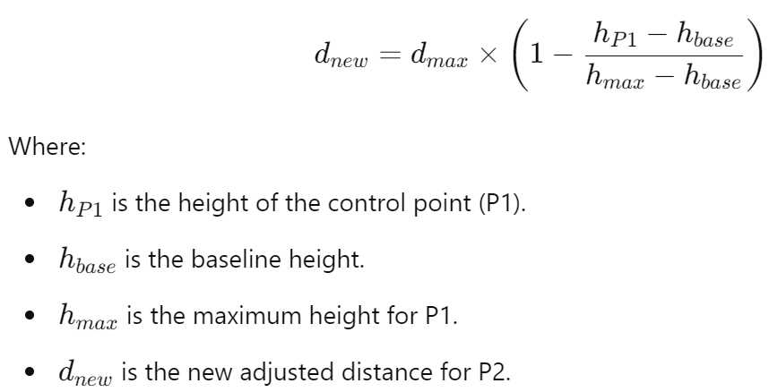

h-p1 | h-base | h-max | d-min | d-max | d-new
2.0 | 2 | 5 | 5 | 18 | 18.0
2.1 | 2 | 5 | 5 | 18 | 17.6
2.2 | 2 | 5 | 5 | 18 | 17.1
2.3 | 2 | 5 | 5 | 18 | 16.7
2.4 | 2 | 5 | 5 | 18 | 16.3
2.5 | 2 | 5 | 5 | 18 | 15.8
2.6 | 2 | 5 | 5 | 18 | 15.4
2.7 | 2 | 5 | 5 | 18 | 15.0
2.8 | 2 | 5 | 5 | 18 | 14.5
2.9 | 2 | 5 | 5 | 18 | 14.1
3.0 | 2 | 5 | 5 | 18 | 13.7
3.1 | 2 | 5 | 5 | 18 | 13.2
3.2 | 2 | 5 | 5 | 18 | 12.8
3.3 | 2 | 5 | 5 | 18 | 12.4
3.4 | 2 | 5 | 5 | 18 | 11.9
3.5 | 2 | 5 | 5 | 18 | 11.5
3.6 | 2 | 5 | 5 | 18 | 11.1
3.7 | 2 | 5 | 5 | 18 | 10.6
3.8 | 2 | 5 | 5 | 18 | 10.2
3.9 | 2 | 5 | 5 | 18 | 9.8
4.0 | 2 | 5 | 5 | 18 | 9.3
4.1 | 2 | 5 | 5 | 18 | 8.9
4.2 | 2 | 5 | 5 | 18 | 8.5
4.3 | 2 | 5 | 5 | 18 | 8.0
4.4 | 2 | 5 | 5 | 18 | 7.6
4.5 | 2 | 5 | 5 | 18 | 7.2
4.6 | 2 | 5 | 5 | 18 | 6.7
4.7 | 2 | 5 | 5 | 18 | 6.3
4.8 | 2 | 5 | 5 | 18 | 5.9
4.9 | 2 | 5 | 5 | 18 | 5.4
5.0 | 2 | 5 | 5 | 18 | 5.0

Parabolic
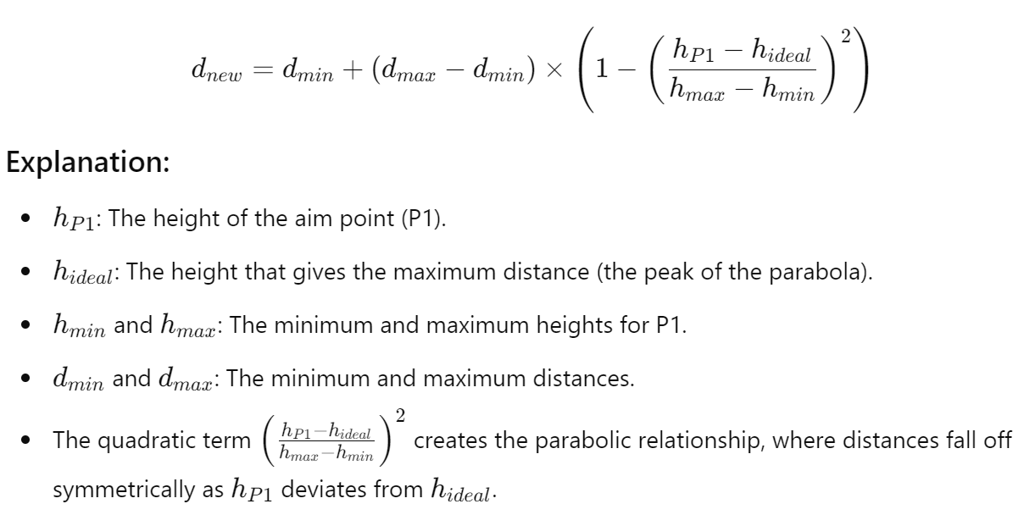

h-p1 | h-ideal | h-min | h-max | d-min | d-max | d-new
2.0 | 3 | 2 | 5 | 7 | 18 | 16.8
2.1 | 3 | 2 | 5 | 7 | 18 | 17.0
2.2 | 3 | 2 | 5 | 7 | 18 | 17.2
2.3 | 3 | 2 | 5 | 7 | 18 | 17.4
2.4 | 3 | 2 | 5 | 7 | 18 | 17.6
2.5 | 3 | 2 | 5 | 7 | 18 | 17.7
2.6 | 3 | 2 | 5 | 7 | 18 | 17.8
2.7 | 3 | 2 | 5 | 7 | 18 | 17.9
2.8 | 3 | 2 | 5 | 7 | 18 | 18.0
2.9 | 3 | 2 | 5 | 7 | 18 | 18.0
3.0 | 3 | 2 | 5 | 7 | 18 | 18.0
3.1 | 3 | 2 | 5 | 7 | 18 | 18.0
3.2 | 3 | 2 | 5 | 7 | 18 | 18.0
3.3 | 3 | 2 | 5 | 7 | 18 | 17.9
3.4 | 3 | 2 | 5 | 7 | 18 | 17.8
3.5 | 3 | 2 | 5 | 7 | 18 | 17.7
3.6 | 3 | 2 | 5 | 7 | 18 | 17.6
3.7 | 3 | 2 | 5 | 7 | 18 | 17.4
3.8 | 3 | 2 | 5 | 7 | 18 | 17.2
3.9 | 3 | 2 | 5 | 7 | 18 | 17.0
4.0 | 3 | 2 | 5 | 7 | 18 | 16.8
4.1 | 3 | 2 | 5 | 7 | 18 | 16.5
4.2 | 3 | 2 | 5 | 7 | 18 | 16.2
4.3 | 3 | 2 | 5 | 7 | 18 | 15.9
4.4 | 3 | 2 | 5 | 7 | 18 | 15.6
4.5 | 3 | 2 | 5 | 7 | 18 | 15.3
4.6 | 3 | 2 | 5 | 7 | 18 | 14.9
4.7 | 3 | 2 | 5 | 7 | 18 | 14.5
4.8 | 3 | 2 | 5 | 7 | 18 | 14.0
4.9 | 3 | 2 | 5 | 7 | 18 | 13.6
5.0 | 3 | 2 | 5 | 7 | 18 | 13.1

